1. Title Page
Instacart Grocery Basket Analysis

Project Name: Instacart Grocery Basket Analysis
Date: January 2024
Analyst Name: Emily Limeta

Contents:
Population Flow
Consistency checks
Wrangling steps
Column derivations
Visualizations
Recommendations

Data Citation:
“The Instacart Online Grocery Shopping Dataset 2017”, Accessed from www.instacart.com/datasets/grocery-shopping-2017 via Kaggle on [date].
Data was fabricated for the purpose of this project. This is not real Instacart data

2. Population Flow
Title page

Population flow

Exclusion flag
Condition: max_order <
Obervations to be removed:
Final total count of order_products_all:

Orders_products_combined
Orders_products_merged
Orders_products_all

Total: 32,404,859
Total: 32,434,489
Total: 32,404,859

1.) The grey boxes in the first row of the population flow represent the original data sets as they were when you downloaded them. In the Total fields you need to add the count of the rows when you imported the data set into Jupyter.
2.) The second row of boxes (coloured) represents the data sets after you manipulated them, e.g., removed missing values and duplicates. In the Total fields you need to add the count of the rows after conducting these operations. This offers a visual oveview of how the data flows throughout the data consistency checks.
3.) The third row, where also the arrows are coloured, represents the merges you performed between the datasets. In the Total fields you need to add the count of the rows in the merged datasets, so that you end up with the final dataset (in the red box). Keep in mind the final dataset should be without exclusions (based on the exclusion flag).

3. Consistency checks
 |  |  |  | Title page
Consistency checks

Dataset | Missing values | Missing values treatment | Duplicates
orders | 20609 missing values in the 'days_since_last_order' column | Kept missing data as this is customers that had their first order and would not have a last order, and therefore compromise the dataset if it were removed or replaced with '0'. | none
products | 16 missing values in 'product_name' column | The missing values were removed | 5 duplicates were found and where removed from dataset
orders_products_prior | none | n/a | none
customers | none | n/a | none

4. Wrangling steps
 |  |  |  | Title page
Wrangling steps

Columns dropped | Columns renamed | Columns' type changed | Comment/Reason
eval_set |  |  | Not needed to for analysts of looking at future sales
 |  | user_id | Changed to string/ object
 |  | order_id | Changed to string/ object
 | order_dow |  | Renamed to 'orders_day_of_week' for clarity
 | order_hour_of_day |  | Renamed to 'hour_of_day_ordered' for clarity
 | Surnam |  | Renamed to 'last_name' for clarity and consistency with ' first_name' column
 | fam_status |  | Renamed to 'family_status' for clarify
 | First Name |  | Renamed to 'first_name' for clarity and consistency with 'last_name'
 |  | first_name | Changed to string/object
first_name |  |  | Dropped for PII reasons. Not needed in analyst
last_name |  |  | Dropped for PII reasons. Not needed in analyst

5. Column derivations
 |  |  |  | Title page

Column derivations and aggregations

In this tab you should add tables below that the frequences of flags/label variables that you produced after deriving them. NB: don't do this for continuous variables, only for flags.
Dataset | New column | Column/s it was derived from | Conditions
Orders_products_merge | Price_label or price_range | Prices | prices <= 5: 'Low range product' price > 5 and <= 15: 'Mid range product' price >15: 'High range product'
Orders_products_merge | busiest_day | orders_day_of_week | value == 0: 'Busiest day' value == 4: 'Least busy' else: 'Regularly busy'
Orders_products_merge | busiest_days | orders_day_of_week | value == 0 or 1: 'Busiest days' value == 4 or 3: 'Slowest days' else: 'Regular days'
Orders_products_merge | busiest_period_of_day | order_hour_of_day | value == 10, 11, 14, 15, 13, 12, 16 or 9: 'Most orders' value == 3, 4, 2, 5, 1, 0, 6 or 23: 'Fewest orders' else: 'Average orders'
Orders_products_merge | max_order | user_id and Order_number | Code: df_ords_prods_merge.groupby(['user_id'])['order_number'].transform(np.max)
Orders_products_merge | Loyalty_flag | max_order | max_order > 40: 'Loyal customer' max_order <= 40 and > 10: 'Regular customer' max_order <= 10: 'New customer'
Orders_products_merge_grouped | avg_price | user_id and price | Code: df_merge.groupby(['user_id'])['prices'].transform(np.mean)
Orders_products_merge_grouped | spender | avg_price | mean_prices >= 10: 'High spender' mean_price <10: 'Low spender'
Orders_products_merge_grouped | median_prior_order | user_id and prices | Code: df_merge.groupby(['user_id'])['prices'].transform(np.median)
Orders_products_merge_grouped | frequency | median_prior_order | median_orders_interval > 20: 'Non-frequent customer' median_orders_interval <= 20 and >10: 'Regular customer' median_orders_interval <= 10: 'Frequent customer'
all_merged | region | STATE | for value in df['STATE']: if value in ('Maine', 'New Hampshire', 'Vermont', 'Massachusetts', 'Rhode Island', 'Connecticut', 'New York', 'Pennsylvania', 'New Jersey'): result.append('Northeast') elif value in ('Wisconsin', 'Michigan', 'Illinois', 'Indiana', 'Ohio', 'North Dakota' , 'South Dakota', 'Nebraska', 'Kansas', 'Minnesota', 'Iowa', 'Missouri'): result.append('Midwest') elif value in ('Delaware', 'Maryland', 'District of Columbia', 'Virginia', 'West Virginia', 'North Carolina', 'South Carolina', 'Georgia', 'Florida', 'Kentucky', 'Tennessee', 'Mississippi', 'Alabama', 'Oklahoma', 'Texas', 'Arkansas', 'Louisiana'): result.append('South') elif value in ('Idaho', 'Montana', 'Wyoming', 'Nevada', 'Utah', 'Colorado', 'Arizona', 'New Mexico', 'Alaska', 'Washington', 'Oregon', 'California', 'Hawaii'): result.append('West') else: result.append('Unknown')
all_merged | low_activity | max_order | Code: np.where(df['max_order'] < 5, 'Yes', 'No') Meaning: max_order < 5 'No' max_order > 5 'Yes'
over_five_orders | age_flag | Age | for value in df["Age"]: if value < 26: result.append("Young") elif value <= 65: result.append("Middle Age") else: result.append("Senior")
over_five_orders | customer_profile | n_dependants | n_dependants == 0 'single adult' n_dependants > 0 'parent'

6. Visualizations
 |  |  |  |  |  |  |  | Title page

Visualisations
Visualisations

In this tab you should include all the visualtions from Exercises 4.9 and 4.10, alongside the questions from the project brief that they answer. Include any commentary on the relationship between different variables.
In this tab you should include all the visualtions from Exercises 4.9 and 4.10, alongside the questions from the project brief that they answer. Include any commentary on the relationship between different variables.

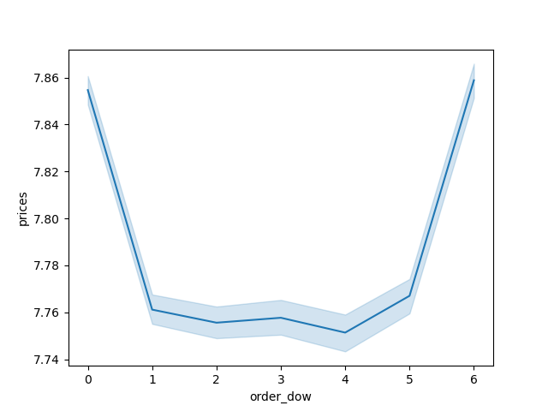
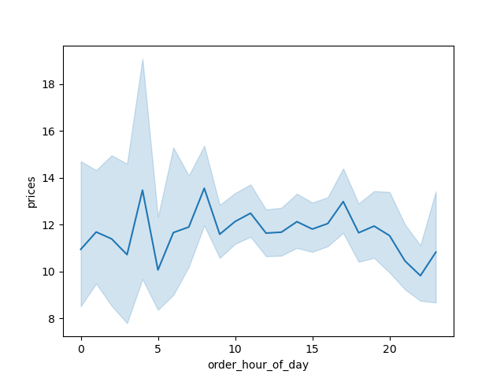


1 |  |  |  |  |  | 2 |  |  |  |  |  |  |  | 3

 | Visual 1 |  |  | Visual 2 |  |  | Visual 1 |  |  |  |  | Visual 2
 |  |  |  |  |  |  |  |  |  |  |  |  |  |  |  |  | Key Question 3
 |  |  | Key Question 1 |  |  |  |  |  | Key Question 2
 | * Visual 1- This histogram shows the hours with the most orders |  |  |  |  |  |  | *Visual 1- line graph represents how prices change depending on the hour of the day |  |  |  |  |  |  |  | * This histogram represents the prices of the products sold at Instachart
 | * Visual 2- This bar chart represents the days of the week that have the most orders. |  |  |  |  |  |  | *Visual 2- The line chart above represents how prices change over the days of the week.
 |  |  |  |  |  |  |  |  |  |  |  |  |  |  |  | Most products are between $1-$15
 | Most orders occur between 9a thru 4pm (hours-9-16 on visual 1) and Saturday (0) on visual 2 |  |  |  |  |  |  | Most money spent 3am- 8am (hours 4-8) on visual 1 and Saturday (0) on visual 2 |  |  |  |  |  |  |  | Few products are between $15-$25
 | Fewest orders between 12 am and 6am ( hours 0-6 on visual 1) and Wednesday (4) on visual 2 |  |  |  |  |  |  | Least money spent2am,4am, 11pm (hours 3,5,22) on visual 1 and Wednesday (4) on visual 2


4 |  |  |  |  |  |  | 5 |  |  |  |  |  | 5b |  | 5a
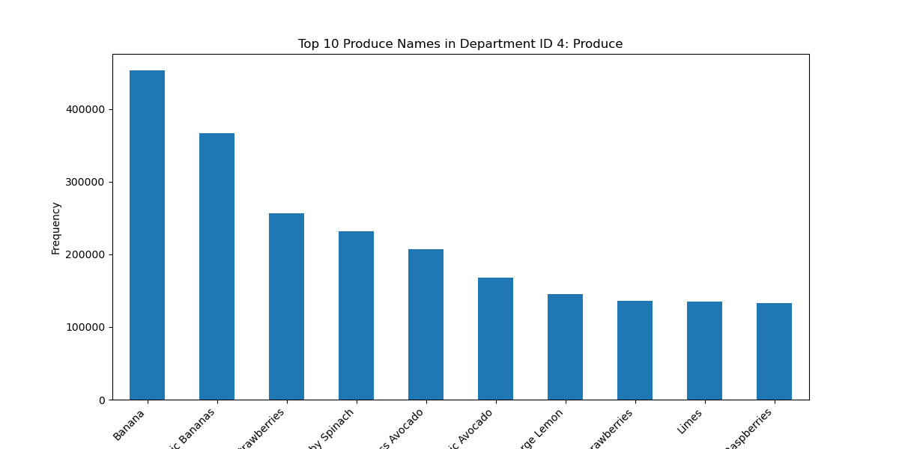
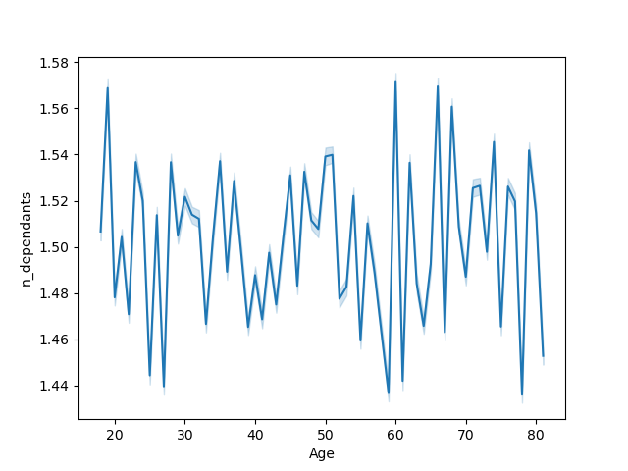

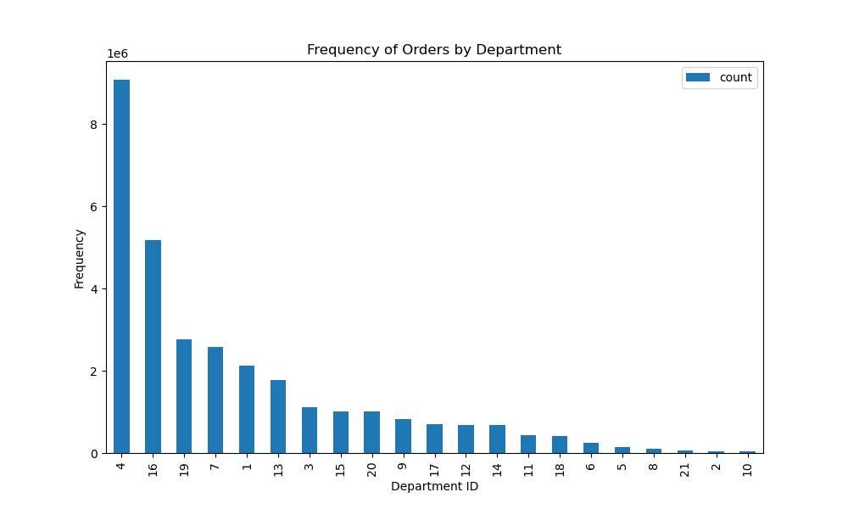

 |  | Visual 1 |  |  | Visual 2
 |  |  |  |  |  |  |  |  | Visual 1 |  |  |  | Visual 2 |  | Visual 3

 |  | Key Question 4 |  |  |  |  |  |  |  | Key Question 5

 |  | *Visual 1 most orders are from dept 4- produce and least orders are from dept 10- bulk |  |  |  |  |  |  | *Visual 1- The scatterplot above represents the relationship between customer's age and income
 |  | * Visual 2- Most common product name is Banana |  |  |  |  |  |  | *visual 2- This line graph represents the relationship between age and number of dependents.
 |  |  |  |  |  |  |  |  | *visual 3- This bar chart shows which type of customer in terms of loyalty have the most orders.

 |  | There is significant drop off from the top department to the second department of dairy eggs
 |  |  |  |  |  |  |  |  | regular customers have the most orders while new customers have the least.

 |  |  |  |  |  |  |  |  | no relationship between age and dependents. Age does not affect the number of dependents.

 |  |  |  |  |  |  |  |  | Customer's under the under of 40 do not have as much spending power (income) as customers over 40. There are customers over 40 that have incomes of over $400,000 while all customers under 40 have an income of under $400,000. Most of Instacart's customer have an income of under $200,000. There is a significant number of customers 40-80 that have an income of under $300,000.

6

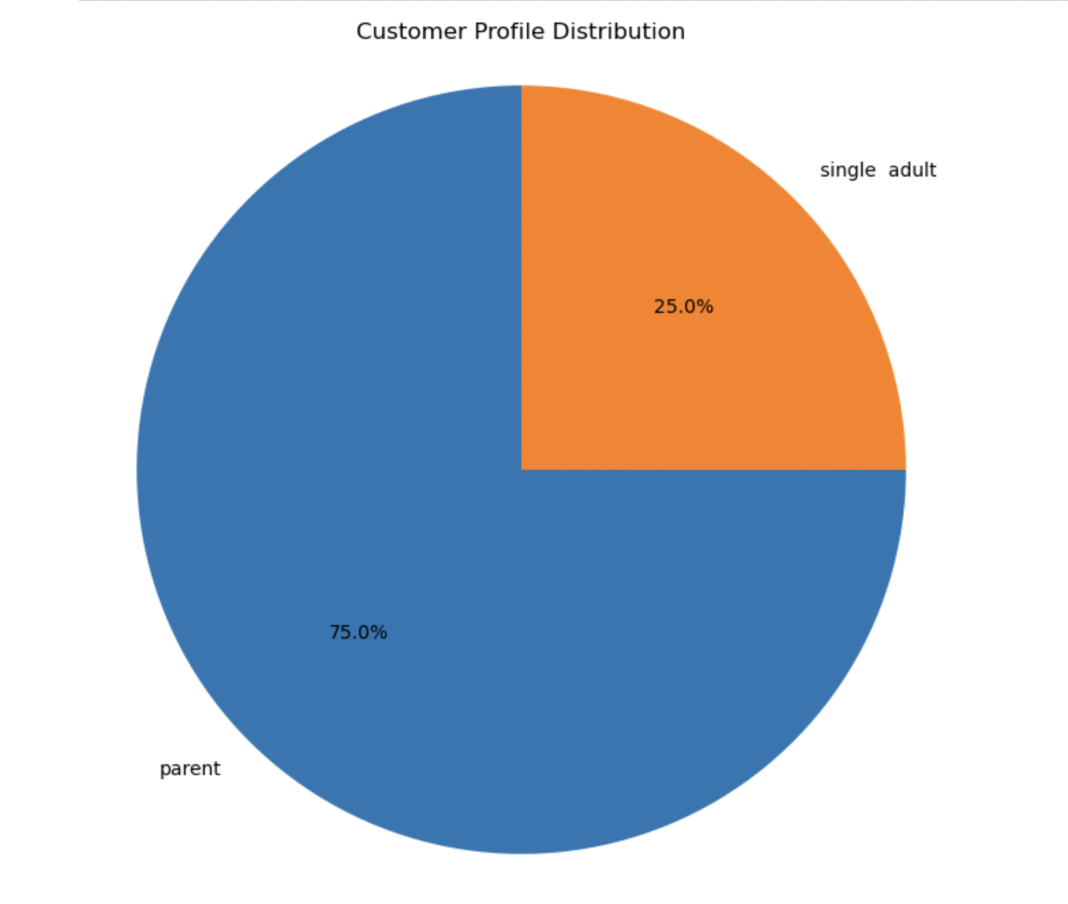
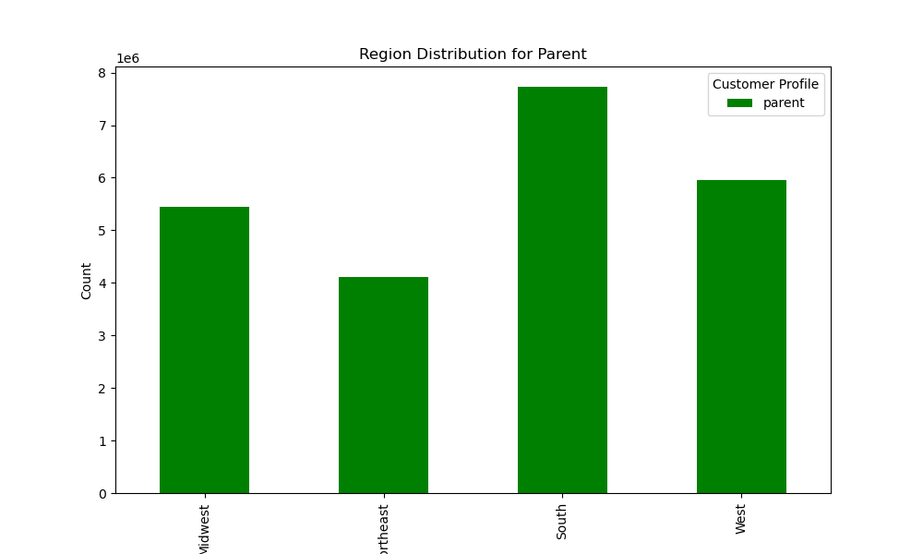

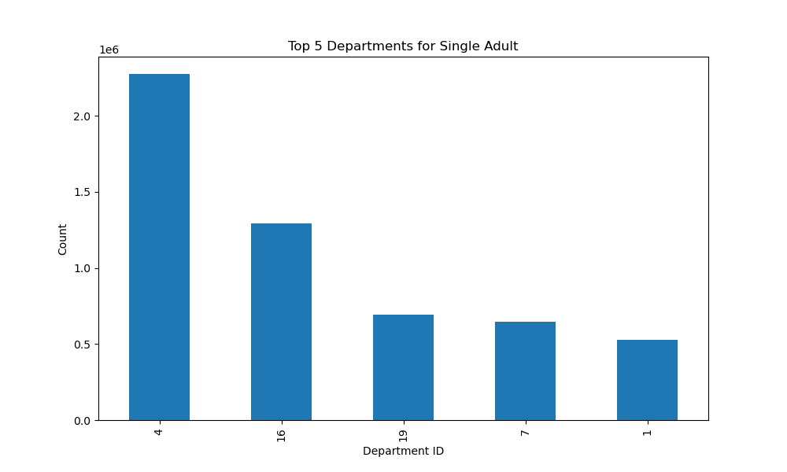
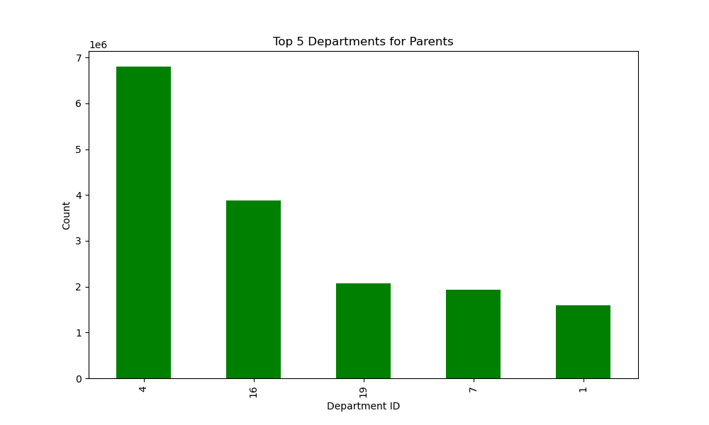
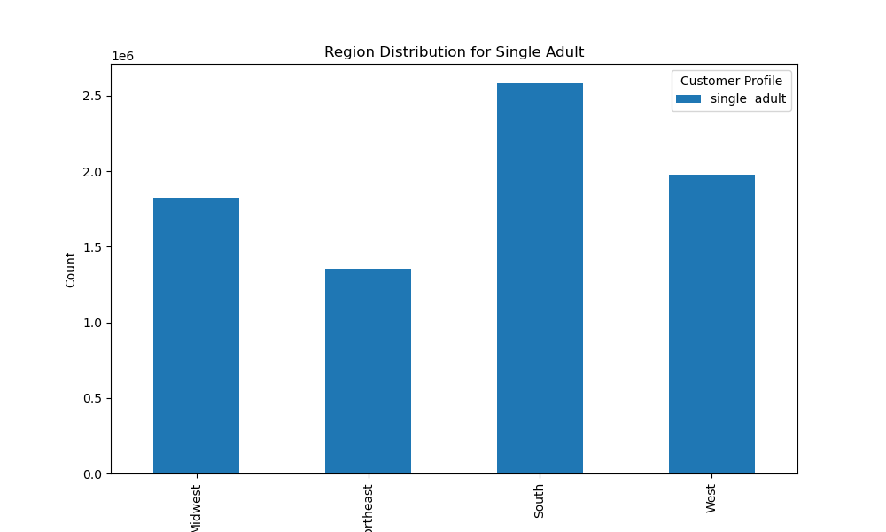

 |  | Magority of Instachart's customer fall into the Parent customer profile
 |  |  |  |  |  |  |  |  |  |  | Both Single adults and Parents mostly purchase from the produce department |  |  |  |  |  |  | Both single adults and parents are mostly from the South region with southeast being the least
 |  |  |  |  |  |  |  |  |  |  | Parents are buying more produce then single adults

7. Recommendations
 |  |  | Title page

Recommendations

In this tab you should include any recommendations you would made to Instcart in terms of their marketing strategy based on the questions posed in the brief. Every key question has been covered in the Tasks of the Exercises - here you need to add an item - a visualisation or table/crosstable that is showing the answer in the data, acompanied by a comment from you. Please, list the questions below and add the answer underneath.

Visualization Used | Business Question | Answer/ Recommendation
1 | The sales team needs to know what the busiest days/ hours of the week in order to schedule ads at times when there are fewer orders. | Saturday at 9am- 4pm is the busiest time, while Wednesday from 12am-6am is the least busiest timefor orders. Sales team should schedule ads on Wednesday mornings to get more orders. They can also have adsd either on the weekends or in the late morning to early afternoon therfore the most amount of people can see the ads.
2 | They also want to know whether there are particular times of the day when people spend the most money, as this might inform the type of products they advertise at these times. | The most money is spent during the early mornings on Saturday. During this time they can advertise breakfast/ brunch foods to gain more orders.
3 | Instacart has a lot of products with different price tags. Marketing and sales want to use simpler price range groupings to help direct their efforts. | Since most of Instachart's prices are less then $15, the price range should be in small increments of 5 (1-5;6-10;11-15). This way there are only 3 different groupings and makes it easier for customers. While there are few products over $15, a product $16 and over should be caterorgized in increments of 1 due to the low frequency.
4 | Are there certain types of products that are more popular than others? The marketing and sales teams want to know which departments have the highest frequency of product orders. | Most of Instachart's customers order from the produce department and are buying bananas. The top 2 departments are esstinal goods (produce an dairy eggs).The marketing team can promote quick weekday receipes to boost the other top 5 departments as they are snacks, beverages, and frozen to thier top customers of parents.
5 | The marketing and sales teams are particularly interested in the different types of customers in their system and how their ordering behaviors differ. | Instachart has most of their orders from regular customers that make less than $200,000. The marketing team could add more rewards for their existing loyal customers by offering a points reward program. Also to have new customers come back more they can offer coupons. The coupons will also incentivize customers that do no have as much buying power to be able to buy more products.
5a | Are there differences in ordering habits based on a customer’s loyalty status? | Most customers are regular customers but are not loyal customers. The marketing team could add more rewards for their existing loyal customers by offering a points reward program and incentive sign up bonus or coupons to attract the new customers.
5 and 5b | What different classifications does the demographic information suggest? Age? Income? Certain types of goods? Family status? | There is no relationship between age and number of dependents. Customer's under the under of 40 do not have as much spending power (income) as customers over 40. There are customers over 40 that have incomes of over $400,000 while all customers under 40 have an income of under $400,000. Most of Instacart's customer have an income of under $200,000. The marketing team could hand out coupons t incentivitze customer that do not have as much buying power to be able to buy more products.
6 | What differences can you find in ordering habits of different customer profiles? | Most of Instachart's customers are parents rather than single adults. Both types of customers are buying more produce and are from the South region. The marketing team should target these customers and consider running budget family friendly products. In order to gain more single adult customers, the marketing team can consider a points reward program the more a customers spends the more points they will accumulate and can uses toward the next purchase.

